DOE-UAP-D004
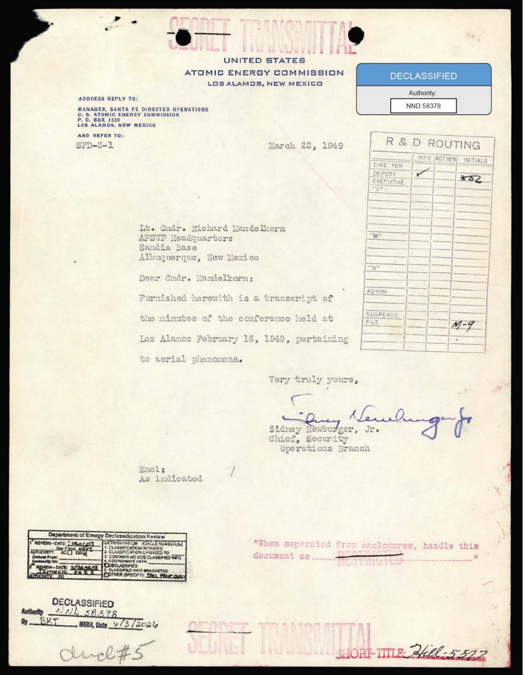
UAP RELEASE 04 | DOE-UAP-D004, Los Alamos Conference on Aerial Phenomena, 1949
Agency: Department of Energy | Type: PDF | Date: 3/22/49 | Location: New Mexico | Release: 04 (10 Jul 2026)
OFFICIAL DESCRIPTION: This document is a transcript of a 1949 conference held at Los Alamos Scientific Laboratory (now Los Alamos National Laboratory), Los Alamos, New Mexico. Attendees included several eminent scientists and physicists, many of whom had contributed to the development of the first nuclear weapons during the Manhattan Project. The purpose of the conference was to discuss and gather hypotheses to account for the nature and origin of a phenomenon involving “green fireballs” that had been reported over a period of several months in the vicinity of the laboratory. The group did not come to a consensus o
Sub-Event # | Incident Date | Location | Reporting Agency | Submitting Command / Unit | Personnel Involved | Object / Phenomenon Description | Sensor System Used | Sensor Notes | Observed Characteristics | Reported Behaviour | Duration | Original Classification | Current Classification | Resolution Status | Official Explanation | Corroborating Data / Cross-References | Key Quotes | Notable Personnel | Document Type | Source Document ID | Document URL | Paired Documents | PDF / Media Download Status | OCR Pages | Analyst Notes
1 | 16 Feb 1949 (conference date); incidents Dec 1948 – Feb 1949 | Los Alamos Scientific Laboratory, New Mexico | USAEC / 4th Army / FBI / Univ. of New Mexico / Univ. of California | USAEC Sandia Operations | Capt. Reef (4th Army); Dr. Lincoln LaPaz (Univ. NM, meteoritics expert); Mr. Newburger (USAEC); Dr. Norris Bradbury (Los Alamos Director); Dr. John Manley; Dr. Frederick Reines; Dr. Edward Teller (Univ. CA / Los Alamos); Mr. Hoyt; Dr. Holloway; Maj. Winn; Maj. Godsoe; Cmdr. Mandelkorn (4th Army); Mr. Maxwell (FBI); Mr. Morgan (USAEC) | Green fireballs observed over New Mexico since Dec 1948. Luminous greenish-yellow; flat non-descending trajectory; no sound; no fragmentation; high luminosity. Unlike conventional meteorites in every measurable characteristic. | Visual observation (primary). Photographic analysis of Incident #40 (secondary). Standard meteorite-trajectory analysis methods applied by LaPaz. | Dr. LaPaz applied his standard meteorite-fall photographic analysis to Incident #40. No dedicated electronic sensors (radar, spectrometer) deployed. Absence of sonic boom and fragmentation are key negative sensor indicators. Fig. 8 in document shows a hand-drawn cylindrical object sketch — one of the featured images on the war.gov release page. | Flat, near-horizontal trajectory (not curved as a meteorite). Greenish-yellow colour. No sonic boom. No fragmentation upon disappearance. Speed estimated well above meteorite norms. High luminosity. | Travelled in straight near-horizontal path. Disappeared without impact or fragmentation. Multiple airline pilot and civilian reports since Dec 1948. Series of events over ~2 months near nuclear facilities. | Seconds per event; series over ~2 months (Dec 1948 – Feb 1949) | SECRET | Declassified | Unresolved at time of conference | Not determined. Soviet origin considered but unconfirmed. Natural meteorite explanation explicitly rejected by LaPaz due to trajectory. Project Twinkle (USAF follow-on study, 1950) initiated as a result. | Project SIGN (DOW-UAP-D097); Analysis of Flying Object Incidents 1948 (DOW-UAP-D093); Analysis of Flying Object Incidents 1949 (DOW-UAP-D094). Green fireball sightings also documented in FBI files. Project Twinkle (USAF, 1950) was direct follow-on. Proximity to Los Alamos and Sandia nuclear facilities is noted. | "It started back in December 1948, when we first received some reports from airline pilots that these green fireballs were sighted." — Capt. Reef "The trajectory is flat, not curved as a meteorite would be." — Dr. LaPaz "Dr. Teller was present and expressed interest in the phenomenon." | Dr. Edward Teller (hydrogen bomb physicist); Dr. Lincoln LaPaz (world-leading meteoriticist, Univ. New Mexico); Dr. Frederick Reines (later Nobel laureate, neutrino discovery); Dr. Norris Bradbury (Los Alamos Director 1945–1970); Capt. Reef (4th Army); Mr. Maxwell (FBI) | PDF — conference transcript (25 pages) | DOE-UAP-D004 | https://www.war.gov/medialink/ufo/071026/release_04/documents/DOE-UAP-D004_Los-Alamos-Conference-on-Aerial-Phenomena_1949.pdf |  | Downloaded (5070 KB) | 25 | 25-page declassified transcript of a classified conference. Presence of Teller and Reines (Manhattan Project scientists) indicates high-level scientific concern. LaPaz's rejection of meteorite explanation is notable given his expertise. Proximity to nuclear weapons facilities makes this a national security matter, not merely a scientific curiosity. Project Twinkle (1950) was the direct USAF follow-on investigation.
2 | Dec 1948 – Feb 1949 (series) | New Mexico — multiple sites near Los Alamos / Sandia / Albuquerque | 4th Army / USAEC / Airline pilots | 4th Army Air Defense / USAEC | Airline pilots (unnamed); civilian observers; Weather Bureau personnel | Series of green fireball sightings reported by airline pilots and civilians over New Mexico. Sketch in document (Fig. 8) shows cylindrical object. At least one photograph taken (Incident #40). | Visual only; photographic documentation of Incident #40 | Photograph of Incident #40 analysed by LaPaz team. No radar data cited. No spectrographic analysis. Photographic evidence compared with known meteorite trajectories. | Greenish-yellow luminosity; flat trajectory; no fragmentation; no sonic boom | Straight-line horizontal flight; no descent; silent; disappeared without impact | Seconds per sighting | SECRET | Declassified | Unresolved | Unknown — LaPaz explicitly ruled out natural meteorite | FBI green fireball reports; Project Twinkle (USAF follow-on study 1950); Holloman AFB sightings (concurrent) | "No fragmentation, no sonic boom — this is not a conventional meteorite." — Dr. LaPaz | Dr. Lincoln LaPaz (lead investigator) | PDF | DOE-UAP-D004 | https://www.war.gov/medialink/ufo/071026/release_04/documents/DOE-UAP-D004_Los-Alamos-Conference-on-Aerial-Phenomena_1949.pdf |  | Downloaded (5070 KB) |  | Fig. 8 in document shows hand-drawn cylindrical sketch — featured image on war.gov release page. The concentration of sightings near nuclear weapons facilities drove the national security classification of this conference.
DOCUMENT SNAPSHOT — DOE-UAP-D004 (Page 1)

DOW-UAP-D094

UAP RELEASE 04 | DOW-UAP-D094, Analysis of Flying Object Incidents in the United States, 1949
Agency: Department of War | Type: PDF | Date: 4/28/49 | Location: Virginia | Release: 04 (10 Jul 2026)
OFFICIAL DESCRIPTION: This file contains a U.S. Air Force (USAF) Air Intelligence Division study, “Analysis of Flying Object Incidents in the United States,” Study No. 203, dated 04/28/1949. The analysis includes an assessment of various reported unidentified flying object (UFO) incidents and theories to account for their nature and origin. Overall, the study assesses that “it appears that some object has been seen; however, the identification of that object cannot be readily accomplished.” The study offers that two “reasonable” origins might account for the phenomena: technologies of a domestic or foreign origin.
Sub-Event # | Incident Date | Location | Reporting Agency | Submitting Command / Unit | Personnel Involved | Object / Phenomenon Description | Sensor System Used | Sensor Notes | Observed Characteristics | Reported Behaviour | Duration | Original Classification | Current Classification | Resolution Status | Official Explanation | Corroborating Data / Cross-References | Key Quotes | Notable Personnel | Document Type | Source Document ID | Document URL | Paired Documents | PDF / Media Download Status | OCR Pages | Analyst Notes
1 | 10 Dec 1948 (report date); incidents 1947–1948 | Various — continental United States | USAF Directorate of Intelligence / Office of Naval Intelligence | Air Intelligence Division, HQ USAF | USAF rated officers (observers); US Weather Bureau personnel; experienced civilian pilots; research technicians; commercial airline technicians. ~210 incidents reported. | Air Intelligence Report No. 100-203-79. Joint USAF/ONI analysis of ~210 flying object incidents 1947–1948. Objects described as discs, cylinders, spheres; high speed; silent; no exhaust. Appendix D covers flying-wing aircraft (Germany, UK, US). Appendix C contains selected incident reports. | Visual observation (primary). Weather balloon tracking equipment at Richmond, VA Weather Bureau (calibrated reference). No dedicated electronic UAP sensors. | Richmond Weather Bureau observer tracked object while observing weather balloon — provides reference baseline for angular size/speed estimation. Cited as high-quality observation due to professional training and calibrated reference. Radar data not cited in summary sections. | High speed; silent; no exhaust; disc/sphere/cylinder shapes; manoeuvres inconsistent with known aircraft of the era. | Erratic manoeuvres; high-speed straight flight; hovering; sudden acceleration. Pattern of sightings considered definable geographically. | Varied; seconds to minutes per incident | TOP SECRET (CONTROL NO. 2-73-51) | Declassified (NND 857011) | Unresolved — Soviet origin considered but unconfirmed | Possible Soviet unconventional aircraft; possible US experimental aircraft; natural phenomena not ruled out. No definitive conclusion reached. | Companion document DOW-UAP-D093 (1948 version); Project SIGN (DOW-UAP-D097); Scandinavian ghost rocket sightings 1948 referenced; Appendix D: Horten flying wing (Germany), UK flying wings, US flying wings | "The frequency of reported incidents, the similarity in many of the characteristics attributed to the observed objects and the quality of observers considered as a whole, support the contention that some type of flying object has been observed." — Air Intelligence Report 100-203-79 "Approximately 210 incidents have been reported." | Directorate of Intelligence, HQ USAF; Office of Naval Intelligence (joint authors) | PDF — joint USAF/ONI intelligence report (34 pages) | DOW-UAP-D094 | https://www.war.gov/medialink/ufo/071026/release_04/documents/DOW-UAP-D094_Analysis-of-Flying-Object-Incidents-in-the-US_1949.pdf | DOW-UAP-D093 | Downloaded (14745 KB) | 34 | 34-page joint USAF/ONI report — the first joint service UAP intelligence assessment. Appendix D's coverage of flying-wing aircraft (Horten, UK, US) shows the analytical framework linking UAP reports to potential Soviet reverse-engineering. The Richmond Weather Bureau case is cited as a high-credibility observation. 210 incidents is a significant number for 1947–1948.
2 | 1947–1948 | Richmond, Virginia — US Weather Bureau | US Weather Bureau | Richmond Weather Bureau Station | One trained Weather Bureau observer (unnamed) | Object observed while tracking weather balloon. Distinct from balloon; high angular speed; behaviour inconsistent with known aircraft. | Weather balloon tracking (theodolite/visual with calibrated reference) | Observer had calibrated reference (the weather balloon) allowing relative speed/size estimation. Cited as high-quality observation due to professional training and calibrated reference. This is one of the few Release 04 cases with a calibrated observational baseline. | High angular velocity; distinct from balloon; unusual behaviour | Rapid transit across field of view while balloon was being tracked | Brief | TOP SECRET | Declassified | Unresolved | Unknown | Cited as evidence against 'publicity-seeking' explanation in report | "One well trained observer has [observed an object] during observations of weather balloons at the Richmond Bureau." | Unnamed Weather Bureau observer | PDF | DOW-UAP-D094 | https://www.war.gov/medialink/ufo/071026/release_04/documents/DOW-UAP-D094_Analysis-of-Flying-Object-Incidents-in-the-US_1949.pdf | DOW-UAP-D093 | Downloaded (14745 KB) |  | Cited as a high-credibility observation due to professional training and calibrated reference. The report uses this case specifically to rebut the 'publicity-seeking' explanation.
DOCUMENT SNAPSHOT — DOW-UAP-D094 (Page 1)

DOW-UAP-D097
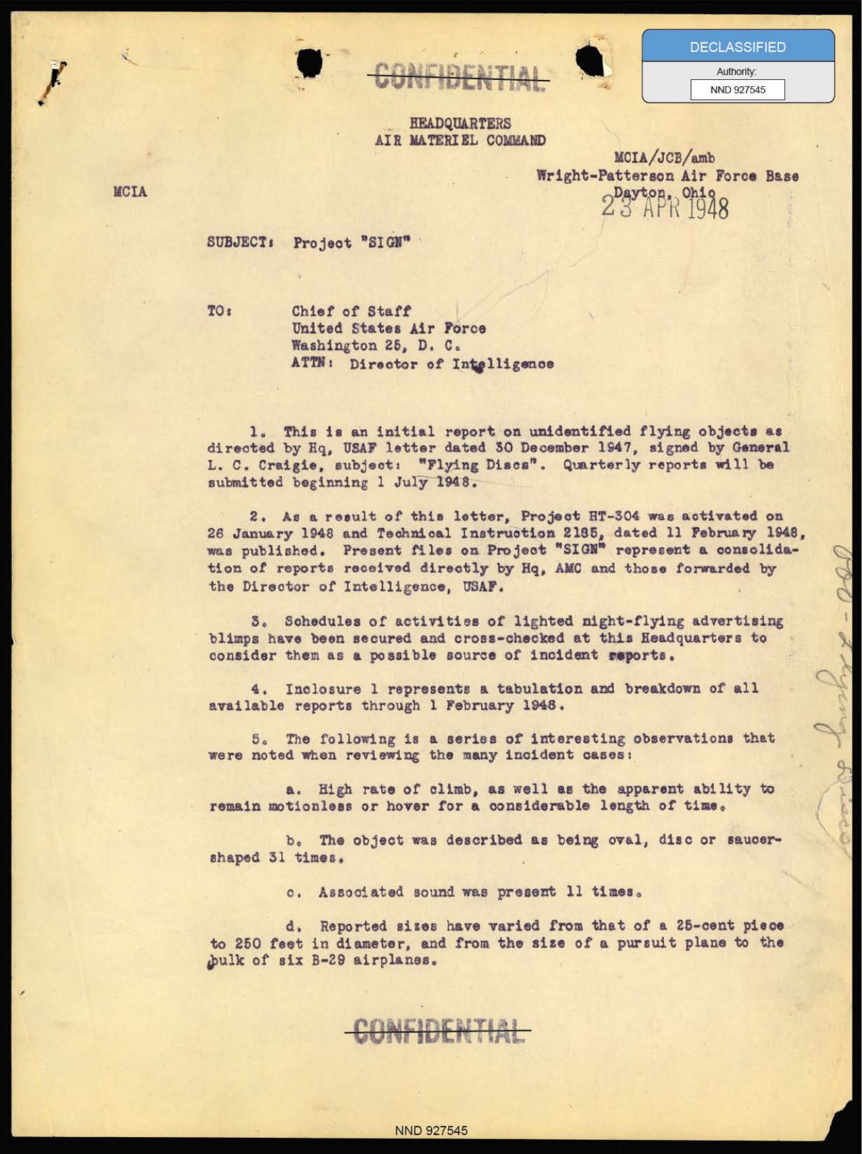
UAP RELEASE 04 | DOW-UAP-D097, Project Sign Progress Report, 1948
Agency: Department of War | Type: PDF | Date: 1948 | Location: Various | Release: 04 (10 Jul 2026)
OFFICIAL DESCRIPTION: This file contains an initial report from the Air Materiel Command regarding Project Sign. Project Sign was a 1948-1949 U.S. Air Force program to investigate the nature and origin of unidentified flying objects (UFO). The report details 100 UFO sightings from 1947-1948. The file also contains an article excerpted from “The Aeroplane,” an aviation-focused periodical magazine published between 1911 and 1968, titled “The Biology of the Flying Saucer.”
Sub-Event # | Incident Date | Location | Reporting Agency | Submitting Command / Unit | Personnel Involved | Object / Phenomenon Description | Sensor System Used | Sensor Notes | Observed Characteristics | Reported Behaviour | Duration | Original Classification | Current Classification | Resolution Status | Official Explanation | Corroborating Data / Cross-References | Key Quotes | Notable Personnel | Document Type | Source Document ID | Document URL | Paired Documents | PDF / Media Download Status | OCR Pages | Analyst Notes
1 | 1948 (report); incidents from 2 Jul 1947 onward | Various — Muroc Air Field CA; multiple US locations | USAF / Project SIGN / Air Materiel Command | Air Materiel Command, Wright-Patterson AFB | Col. H. M. McCoy (USAF, Chief of Intelligence, AMC); Dr. Irving Langmuir (GE Research Labs, Nobel laureate — consulted); multiple USAF rated officers as observers | Project SIGN progress report. Tabulation of flying disc incidents from Jul 1947. Objects described as disc-shaped, high speed, no exhaust, silent. Horten parabola wing configuration considered as possible explanation. 6 enclosures: tabulation, photos, photo evaluation, Horten Parabola diagram, 'Biology of Flying Saucer' appendix. | Visual observation (primary). Photography of Incident #40 (secondary). No electronic sensors specified. | Photographs of Incident #40 compared with Horten parabola wing silhouette. Similarity noted between photographic evidence and known German flying-wing designs. Dr. Langmuir consulted — he was reluctant to accept flying discs as real. Boundary-layer control technology discussed as potential explanation for high-performance low-aspect-ratio aircraft. | Disc/low-aspect-ratio shape; high speed; silent; no visible propulsion; manoeuvres beyond known aircraft capability. | High-speed straight flight; hovering; rapid acceleration. Incidents tabulated from 2 Jul 1947 at Muroc Air Field. | Seconds to minutes per incident | CONFIDENTIAL | Declassified (NND 927545) | Unresolved at time of report | Boundary-layer-control low-aspect-ratio aircraft considered possible. Dr. Langmuir 'reluctant to consider flying discs as a reality.' Soviet origin not confirmed. Horten parabola wing similarity noted in photographs. | DOW-UAP-D093; DOW-UAP-D094; Horten Brothers Ho 229 flying wing (German WWII); Avro Canada Project Y (DOW-UAP-D095); GE Research Labs (Langmuir consultation) | "It is believed at this Headquarters that it is possible to construct a low aspect ratio aircraft that would duplicate many of the appearance and performance characteristics of reported flying discs." — Col. H. M. McCoy "Dr. Langmuir was reluctant to consider the so-called flying discs as a reality. However, it is believed at this Headquarters that it is possible to construct a low aspect ratio aircraft that would duplicate many of the appearance and performance characteristics of reported flying discs." | Col. H. M. McCoy (Chief of Intelligence, AMC, Wright-Patterson AFB); Dr. Irving Langmuir (Nobel laureate 1932, GE Research Labs, Schenectady NY) | PDF — Project SIGN progress report (45 pages) | DOW-UAP-D097 | https://www.war.gov/medialink/ufo/071026/release_04/documents/DOW-UAP-D097_Project-Sign-Progress-Report_1948.pdf | DOW-UAP-D093 | DOW-UAP-D094 | Downloaded (10000 KB) | 45 | 45-page Project SIGN report. Tabulation begins with incidents at Muroc Air Field (now Edwards AFB) on 9 Jul 1947. 6 enclosures include photos, Horten Parabola diagram, and 'Biology of Flying Saucer.' Langmuir consultation is notable given his scientific stature (Nobel Prize 1932). Muroc Air Field is now Edwards AFB — the primary USAF flight test facility. Project SIGN was the first official USAF UFO investigation programme (1947–1949).
2 | 9 Jul 1947, 0930–1000 hrs | Muroc Air Field, Muroc, California (now Edwards AFB) | USAF | Muroc Air Field | Multiple USAF personnel (tabulated as Incidents 1, 1a–1e) | Multiple disc-shaped objects observed at Muroc Air Field | Visual observation | No sensor data beyond visual. Muroc is a flight test facility — observers are technically trained. | Disc-shaped; high speed | Multiple objects observed at various times (0930–1000 hrs) | Minutes | CONFIDENTIAL | Declassified | Unresolved | Unknown | Incident Nos. 1, 1a–1e in Project SIGN tabulation | Incident Nos. 1, 1a–1e all dated 9 Jul 47, Muroc Air Field, 0930–1000 hrs | USAF personnel at Muroc (unnamed in tabulation) | PDF | DOW-UAP-D097 | https://www.war.gov/medialink/ufo/071026/release_04/documents/DOW-UAP-D097_Project-Sign-Progress-Report_1948.pdf |  | Downloaded (10000 KB) |  | Muroc Air Field is now Edwards AFB — the primary USAF flight test facility. Observers at a flight test facility are technically trained and familiar with experimental aircraft, making misidentification of known aircraft less likely.
DOCUMENT SNAPSHOT — DOW-UAP-D097 (Page 1)

CIA-UAP-D020
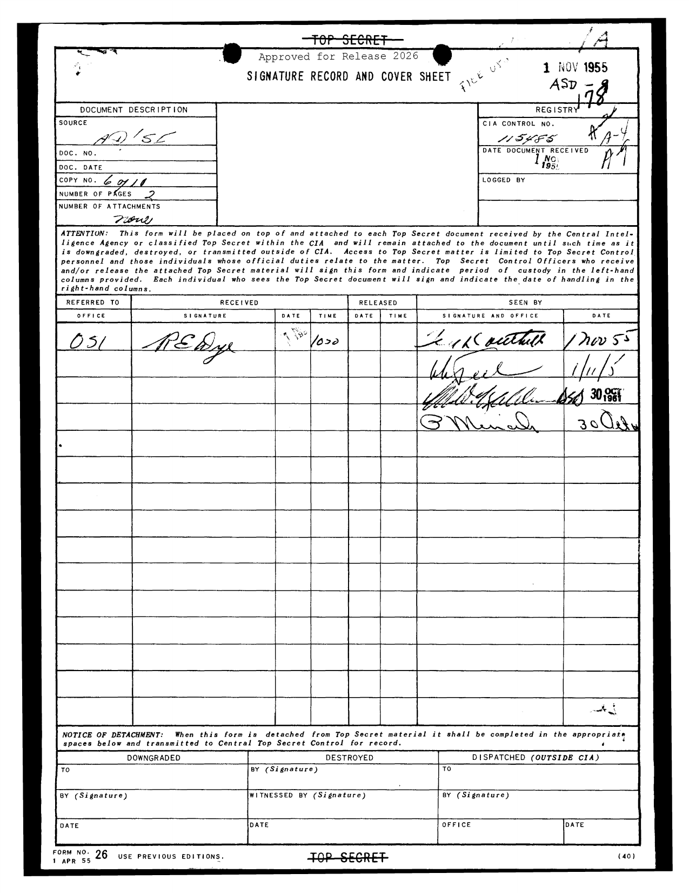
UAP RELEASE 04 | CIA-UAP-D020, Memorandum on Unconventional Aircraft Sightings, 1955
Agency: CIA | Type: PDF | Date: 1955 | Location: Azerbaijan | Release: 04 (10 Jul 2026)
OFFICIAL DESCRIPTION: This memorandum summarizes a Central Intelligence Agency (CIA) debriefing of a group of four individuals who reported observing a “flying saucer” or “unconventional aircraft” in 1955. The group, which included U.S. Senator Richard Russell, a U.S. military service member, and two U.S. Government officials, reported observing a luminescent “greenish-yellow” phenomenon, as seen from aboard a train while traveling within the Soviet Union, in present-day Azerbaijan, between Baku and Tiflis (Tbilisi, Georgia). The document concludes by stating that the observation can “probably be explained as steep
Sub-Event # | Incident Date | Location | Reporting Agency | Submitting Command / Unit | Personnel Involved | Object / Phenomenon Description | Sensor System Used | Sensor Notes | Observed Characteristics | Reported Behaviour | Duration | Original Classification | Current Classification | Resolution Status | Official Explanation | Corroborating Data / Cross-References | Key Quotes | Notable Personnel | Document Type | Source Document ID | Document URL | Paired Documents | PDF / Media Download Status | OCR Pages | Analyst Notes
1 | 4 Oct 1955 (exact date confirmed by CIA cable) | Soviet Union — aboard train between Baku (Azerbaijan) and Tiflis (Tbilisi, Georgia) | CIA | CIA (debriefing of observers upon return to US) | Senator Richard Russell (D-GA; Chairman, Senate Armed Services Committee 1951–1953, 1955–1969; most powerful senator on military affairs); Lt. Col. E.U. Efron (military aide to Russell); Ruben Efron (Senate staff member) | Luminescent 'greenish-yellow' phenomenon observed from aboard a train within the Soviet Union. Described as a 'flying saucer' or 'unconventional aircraft.' Two lights rising vertically then passing above the observers. | Visual observation only. No technical sensors. Observers were passengers on a train. | No sensor data. Observation quality limited by train motion and night conditions. CIA debriefing conducted to assess intelligence value. Senator Russell's status as Chairman of the Senate Armed Services Committee gave this report exceptional credibility and political weight. | Luminescent; greenish-yellow colour; vertical ascent; passed above observers. | Two lights rising vertically, then passing above the train. Behaviour described as consistent with 'steep climbing aircraft or missiles.' | Brief (seconds) | CLASSIFIED (CIA) | Declassified | Probable explanation: steep-climbing aircraft or missiles. CIA concluded insufficient evidence for 'radically new type of aircraft.' | CIA: 'Probably explained as steep climbing aircraft or missiles.' 'The evidence does not appear sufficiently firm to warrant the conclusion that the Soviets have developed [...] a radically new type of aircraft.' | CIA Central Intelligence Bulletin cable confirms date: 4 Oct 1955. Three observers: Senator Russell, Lt. Col. E.U. Efron (military aide), and Ruben Efron (Senate staff). Sighting location: between Baku (Azerbaijan) and Tiflis (Tbilisi, Georgia) — near Soviet missile test ranges. CIA-UAP-D021 companion analysis document. Robertson Panel (1953) referenced in D021. Project Y (US-Canadian saucer programme) referenced in D021. CIA cable: 'Three reliable US observers, Senator Richard Russell, Lt. Col. E.U. Efron, and [redacted] observed two disc-shaped craft taking off and flying over the train.' Russell was Chairman of the Senate Armed Services Committee — most powerful oversight position for US military/intelligence. CIA concluded: 'probably steep-climbing aircraft or missiles' but could not rule out Soviet experimental aircraft. | "The observation can probably be explained as steep climbing aircraft or missiles." "The evidence does not appear sufficiently firm to warrant the conclusion that the Soviets have developed [...] a radically new type of aircraft." — CIA memo | U.S. Senator Richard Russell (D-GA; Chairman, Senate Armed Services Committee; one of the most powerful figures in the US Senate); unnamed U.S. military service member; two unnamed U.S. Government officials | PDF — CIA memorandum (3 pages) | CIA-UAP-D020 | https://www.war.gov/medialink/ufo/071026/release_04/documents/CIA-UAP-D020_Memorandum-on-Unconventional-Aircraft-Sightings_1955.pdf | CIA-UAP-D021 | Downloaded (359 KB) | 3 | Senator Russell's presence is highly significant — he was one of the most powerful figures in the US Senate and Chairman of the Armed Services Committee. The CIA debriefed him upon return from the Soviet Union. This is the only Release 04 record involving a sitting US Senator as a witness. The location (Azerbaijan/Georgia border) is near Soviet missile test ranges. Featured image on war.gov is the declassified transmittal letter.
DOCUMENT SNAPSHOT — CIA-UAP-D020 (Page 1)

CIA-UAP-D021
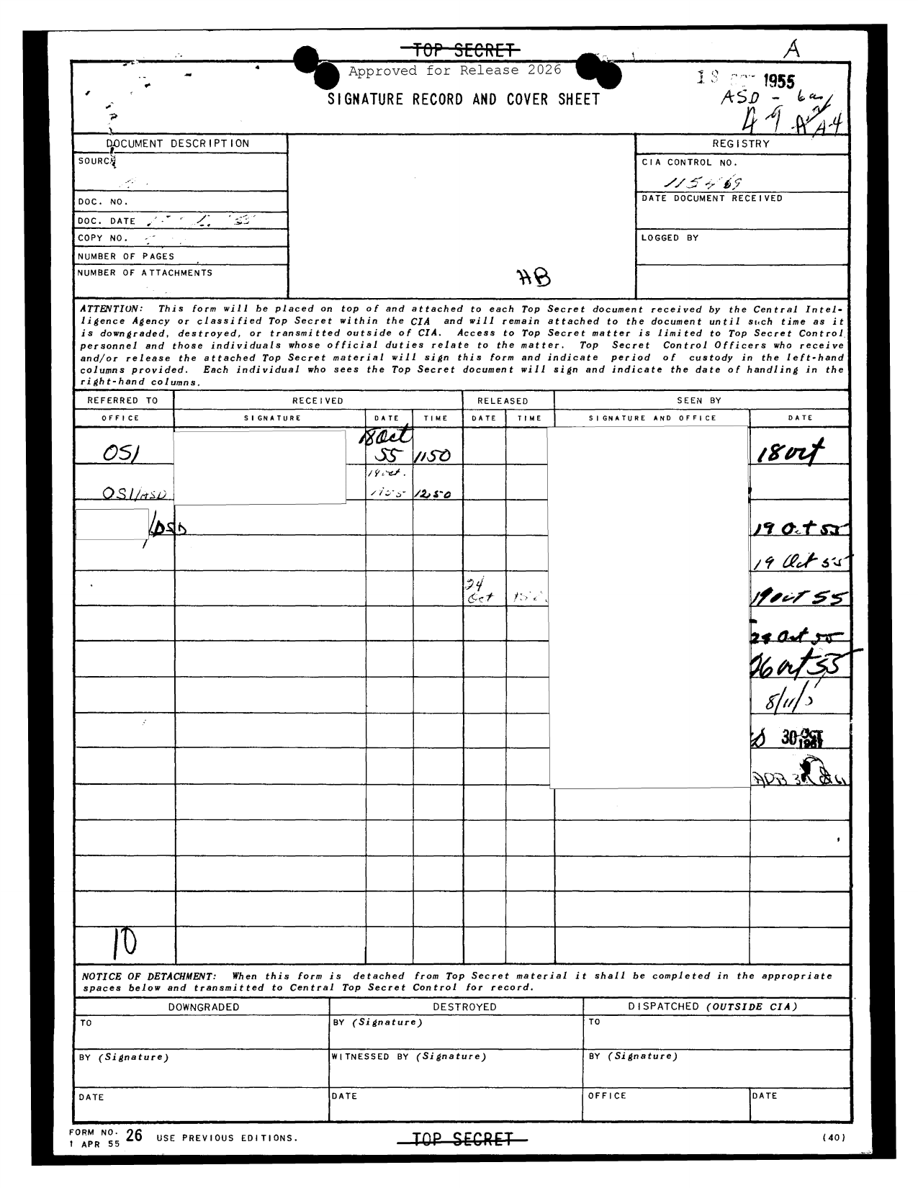
UAP RELEASE 04 | CIA-UAP-D021, Analysis of Unconventional Aircraft Sightings, 1955
Agency: CIA | Type: PDF | Date: 1955 | Location: | Release: 04 (10 Jul 2026)
OFFICIAL DESCRIPTION: Sections 1 and 2 of this memorandum document a 1955 analysis of reports of “flying saucers” or “unconventional aircraft,” referencing the incident described in observer debriefings contained within CIA-UAP-D020. The memo summarizes the incident as consisting of two lights rising vertically, then passing above the observers. The memo contains caveating language that suggests the author concluded that the reports, as described, did not indicate the presence of an “unconventional aircraft.” Section 3 cites a previous finding by Dr. [Howard] Robertson (of the 1953 Robertson Panel) that “almost all
Sub-Event # | Incident Date | Location | Reporting Agency | Submitting Command / Unit | Personnel Involved | Object / Phenomenon Description | Sensor System Used | Sensor Notes | Observed Characteristics | Reported Behaviour | Duration | Original Classification | Current Classification | Resolution Status | Official Explanation | Corroborating Data / Cross-References | Key Quotes | Notable Personnel | Document Type | Source Document ID | Document URL | Paired Documents | PDF / Media Download Status | OCR Pages | Analyst Notes
1 | 1955 (analysis date) | N/A — analytical document | CIA | CIA | CIA analyst (unnamed); Dr. H.P. Robertson (referenced — Caltech physicist, 1953 Robertson Panel chair) | Analysis of the Russell incident (CIA-UAP-D020) and broader 'flying saucer' reports. Four sections: Sections 1–2: analysis of Russell incident; Section 3: Robertson Panel findings; Section 4: Project Y (US-Canadian saucer programme). | N/A — analytical document | Section 4 discusses Project Y — a real saucer-shaped aircraft programme. This contextualises why sensor/radar operators might confuse experimental aircraft with 'unconventional' objects. The Robertson Panel (Section 3) recommended debunking UFO reports — a policy that shaped USAF's approach for decades. | N/A — analysis of reported observations | N/A | N/A | CLASSIFIED (CIA) | Declassified | Probable mundane explanation (aircraft/missiles) for Russell incident | Sections 1–2: Russell incident likely aircraft/missiles. Section 3: Robertson Panel — 'almost all sightings represented no threat to the U.S.' Section 4: Project Y is a real engineering programme, not UAP. | CIA-UAP-D020 (companion debriefing); Robertson Panel Report (1953); DOW-UAP-D095 (Avro Canada Project Y2 SAB review); Project Y (joint US-Canadian saucer aircraft) | "Almost all the sightings [...] represented no threat to the U.S." — Dr. H.P. Robertson (cited in Section 3) "Section 4 discusses the state of then-current research into saucer-like aircraft under Project Y, a contemporary joint U.S.-Canadian aerospace development program." | Dr. H.P. Robertson (Caltech physicist; 1953 Robertson Panel chair; the panel recommended systematic debunking of UFO reports); CIA analyst (unnamed) | PDF — CIA analytical memorandum (4 pages) | CIA-UAP-D021 | https://www.war.gov/medialink/ufo/071026/release_04/documents/CIA-UAP-D021_Analysis-of-Unconventional-Aircraft-Sightings_1955.pdf | CIA-UAP-D020 | Downloaded (404 KB) | 4 | Key cross-reference document. Links CIA's UAP analysis to both the Robertson Panel (which recommended debunking UFO reports) and to Project Y (real saucer aircraft). Section 4's Project Y discussion is particularly relevant to DOW-UAP-D095. The Robertson Panel's debunking recommendation had a lasting negative effect on serious UAP investigation for decades.
DOCUMENT SNAPSHOT — CIA-UAP-D021 (Page 1)

DOE-UAP-D005
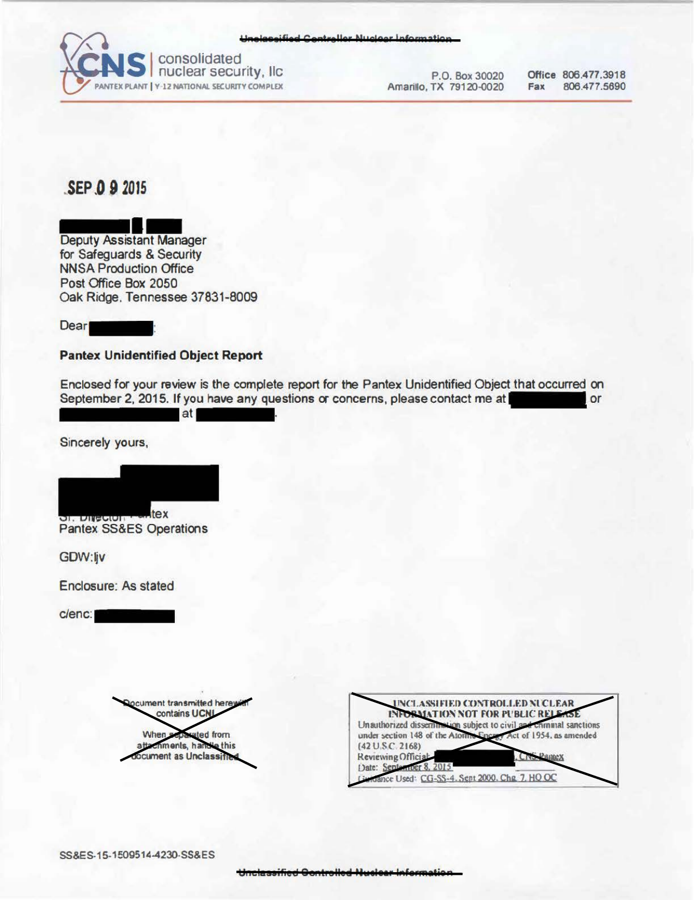
UAP RELEASE 04 | DOE-UAP-D005, Pantex Unidentified Object Incident Report, 2015
Agency: Department of Energy | Type: PDF | Date: 9/1/15 | Location: Texas | Release: 04 (10 Jul 2026)
OFFICIAL DESCRIPTION: This file contains imagery and a report documenting the circumstances surrounding a September 1, 2015, incident involving an unidentified object intruding the airspace above the Pantex Plant near Amarillo, Texas. The Pantex Plant is a sensitive national security site that contains the primary facility for the assembly, disassembly, maintenance, and life-extension of nuclear weapons. Pages 5 and 6 of this report were originally released under the PURSUE initiative in a more redacted form on May 22, 2026. (See: DOE-UAP-D001, Enhanced Pantex Imagery)
Sub-Event # | Incident Date | Location | Reporting Agency | Submitting Command / Unit | Personnel Involved | Object / Phenomenon Description | Sensor System Used | Sensor Notes | Observed Characteristics | Reported Behaviour | Duration | Original Classification | Current Classification | Resolution Status | Official Explanation | Corroborating Data / Cross-References | Key Quotes | Notable Personnel | Document Type | Source Document ID | Document URL | Paired Documents | PDF / Media Download Status | OCR Pages | Analyst Notes
1 | 1 Sep 2015, approx. 07:10 hrs local | Pantex Plant, Amarillo, Texas (sole US nuclear warhead assembly/disassembly facility) | Department of Energy / NNSA Production Office | Pantex SS&ES Operations / Consolidated Nuclear Security LLC | Pantex Protective Force (PF) personnel (names redacted); Central Alarm Station (CAS) operators; Secondary Alarm Station (SAS) operators; Deputy Assistant Manager for Safeguards & Security, NNSA Production Office (name redacted) | Unknown object detected flying west of Pantex facilities in a northerly trajectory at approximately 10–15 mph. Object followed by PF vehicle for several miles north of plant until no longer visible. Non-threatening flight profile. CROSS-REFERENCE NOTE: A related Pantex UAP report (from prior FOIA releases) describes a 'diamond type-shape with it being more round at the corners' — this may be the same or a related incident. The Sep 1, 2015 GSR detection is the primary Release 04 record. | PANTEX GROUND SURVEILLANCE RADAR (GSR) — PRIMARY SENSOR DETECTION. PF vehicle visual observation (secondary). Central Alarm Station monitoring (tertiary). | GSR identified the object and triggered the full security response. This is a CRITICAL sensor detection at a nuclear weapons facility. GSR is a dedicated perimeter/airspace surveillance radar system. All plant gates secured immediately upon GSR detection. UAS (Unmanned Aerial System) response plan activated per NPO-approved protocol. This is the only Release 04 record with a confirmed radar detection at a nuclear facility. | Flying in non-threatening manner; northerly trajectory; speed ~10–15 mph; initially detected just north of Highway 60. Object characteristics beyond speed/direction not specified in released text. | Travelled northward; followed by PF vehicle for several miles; eventually lost from sight. No aggressive or threatening manoeuvres. No interaction with facility personnel or infrastructure. | Extended — followed for several miles before losing visual contact | UCNI (Unclassified Controlled Nuclear Information) — Not for Public Release | UCNI (released under FOIA/declassification review) | Unresolved — comprehensive review initiated; no identification made in released document | Not determined in released document. UAS response plan activated. Incident reference: SS&ES-15-15095144230-SS&ES. | DOE-UAP-D001 (Release 02) — earlier Pantex incident with GSR image. NNSA deployed counter-UAS system at Pantex in Jan 2022 — direct response to ongoing incidents. Atomic Energy Act §148 (42 USC 2168) governs document classification. Consolidated Nuclear Security LLC (CNS) is the Pantex management contractor. Pantex is the sole US nuclear warhead assembly/disassembly facility — 17 miles northeast of Amarillo, TX. The GSR detection triggered full UAS response protocol per NPO-approved plan. All plant gates secured immediately. FOIA request FIA-24-0038 (DOE, Jul 2024) confirms ongoing interest in this incident. | "On September 1, 2015 at approximately 0710 hours, the Pantex Ground Surveillance Radar (GSR) detection system identified an unknown object flying in a non-threatening manner west of Pantex facilities in a northerly trajectory." — Pantex Incident Report "All plant pedestrian and vehicle gates leading into and out of security areas were immediately secured upon identification of an unknown object by the GSR." | Deputy Assistant Manager for Safeguards & Security, NNSA Production Office (name redacted); Pantex SS&ES Operations staff (names redacted); Consolidated Nuclear Security LLC personnel | PDF — security incident report (UCNI, 3 pages) | DOE-UAP-D005 | https://www.war.gov/medialink/ufo/071026/release_04/documents/DOE-UAP-D005_Pantex-Unidentified-Object_2015.pdf |  | Downloaded (1214 KB) | 7 | HIGHEST SENSOR SIGNIFICANCE IN RELEASE 04. GSR detection at the sole US nuclear warhead assembly facility is a major finding. Pantex assembles and disassembles all US nuclear warheads. The UAS response protocol activation means this was treated as a genuine security incident. Document transmitted under Atomic Energy Act §148 (42 USC 2168) — the statute governing protection of nuclear facility information. Speed of ~10–15 mph is consistent with a small UAS/drone. No identification made in the released document.
DOCUMENT SNAPSHOT — DOE-UAP-D005 (Page 1)

DOW-UAP-D089
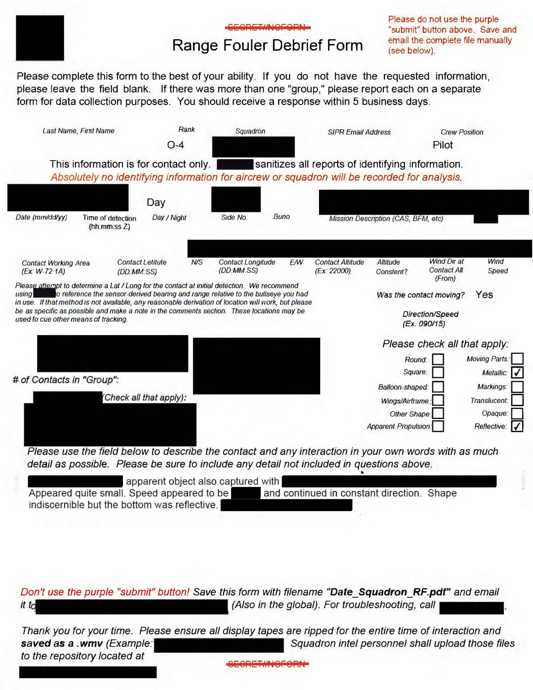
UAP RELEASE 04 | DOW-UAP-D089, Range Fouler Debrief, Eastern United States, 2020
Agency: Department of War | Type: PDF | Date: 2020 | Location: Eastern United States | Release: 04 (10 Jul 2026)
OFFICIAL DESCRIPTION: This document is a Range Fouler Debrief, a standardized reporting form the U.S. Navy uses to record the circumstances surrounding an unauthorized intrusion into controlled airspace during active military operations or training. These reports contain a narrative description of the observer’s experiences. This report accompanies the video titled “DOW-UAP-PR106.” A U.S. military operator reported observing an object, describing it as “quite small” and as “continu[ing] in a constant direction.” The report characterizes the shape of the phenomenon as “indistinguishable,” with a metallic appearance
Sub-Event # | Incident Date | Location | Reporting Agency | Submitting Command / Unit | Personnel Involved | Object / Phenomenon Description | Sensor System Used | Sensor Notes | Observed Characteristics | Reported Behaviour | Duration | Original Classification | Current Classification | Resolution Status | Official Explanation | Corroborating Data / Cross-References | Key Quotes | Notable Personnel | Document Type | Source Document ID | Document URL | Paired Documents | PDF / Media Download Status | OCR Pages | Analyst Notes
1 | 2020 (exact date redacted) | Eastern United States — airspace (specific location redacted) | Department of War / US Northern Command | US Navy squadron (sanitised — no identifying information recorded per Range Fouler protocol) | O-3 WSO (Weapons Systems Officer) with 28 years combined USAF/Navy experience; 2 additional crew members (identity sanitised); all crew members confirmed unable to identify the object | Small object below aircraft, travelling in straight line opposite direction at high speed. Upon post-flight video analysis, object confirmed as rectangular in shape. Described as 'indistinguishable' shape during flight, with metallic appearance and reflective underside. | Airborne infrared/electro-optical sensor (primary). Video recorder activated mid-observation (secondary). Paired with video DOW-UAP-PR106. | Sensor zoom applied — object's high speed caused it to exit FOV at higher zoom settings. Observer unable to reacquire at lower zoom. Sensor limitations (zoom/FOV trade-off) explicitly documented in debrief. Post-flight video analysis confirmed rectangular shape. Range Fouler Debrief form used for standardised data collection. Video DOW-UAP-PR106 (11 seconds) is the paired sensor recording — media was digitally altered before being reported to AARO. | Rectangular shape (confirmed post-flight); metallic appearance; reflective underside; small size; high speed; straight-line flight. | Straight-line flight opposite to aircraft direction; no manoeuvring; high speed; lost from sensor FOV when zoomed in. Described as 'continuing in a constant direction.' | ~10–15 seconds visual observation; ~4 seconds on sensor recording (DOW-UAP-PR106) | SECRET//REL TO USA (form header) | Declassified (redacted) | Unresolved | Not determined | Paired video: DOW-UAP-PR106 (Eastern US, 2020, 11 seconds). DOW-UAP-D090 is companion debrief (2019 incident, same observer). Range Fouler repository at redacted SIPR location. | "A small object was below us and appeared to be traveling in a straight line opposite our direction at high speed. I tracked it for ~10–15 seconds before we turned on the recorder... Upon analysis after the flight, the object appeared to be rectangular. Others with equal or more experience were also unsure as to what this object might be." — Range Fouler Debrief, O-3 WSO | O-3 WSO (28 years USAF/Navy experience, identity sanitised); 2 additional crew (sanitised) | PDF — Range Fouler Debrief form | DOW-UAP-D089 | https://www.war.gov/medialink/ufo/071026/release_04/documents/DOW-UAP-D089_Range-Fouler-Debrief_Eastern-US_2020.pdf | DOW-UAP-PR106 | Downloaded (1886 KB) | 2 | Range Fouler Debrief is a standardised Navy/USAF form for reporting UAP encounters during training/operational sorties. 28 years of combined USAF/Navy experience of the observer is a strong credibility indicator. The metallic/reflective description and rectangular shape are distinctive. Paired video (DOW-UAP-PR106) was digitally altered before AARO receipt — chain of custody concern. DOW-UAP-D090 describes a nearly identical event in 2019 by the same observer.
DOCUMENT SNAPSHOT — DOW-UAP-D089 (Page 1)

DOW-UAP-D090
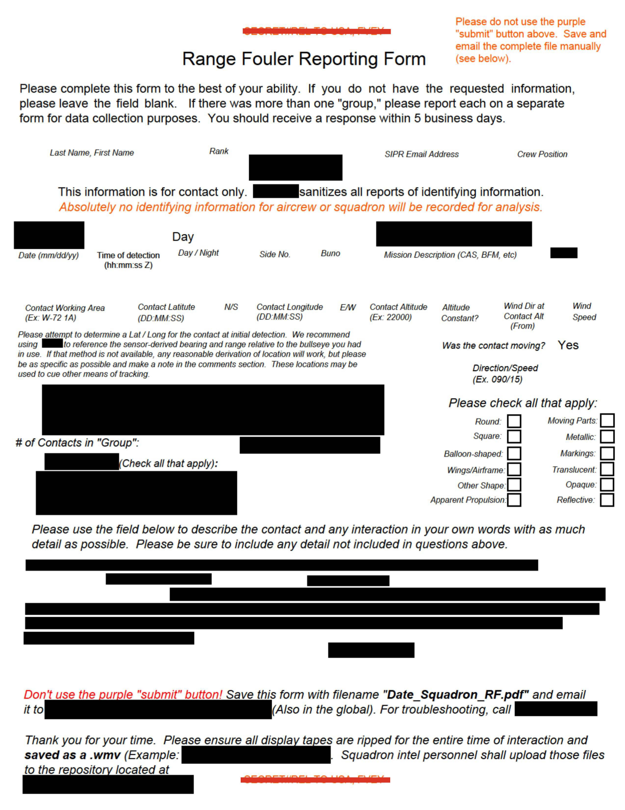
UAP RELEASE 04 | DOW-UAP-D090, Range Fouler Debrief, Eastern United States, 2019
Agency: Department of War | Type: PDF | Date: 2019 | Location: Eastern United States | Release: 04 (10 Jul 2026)
OFFICIAL DESCRIPTION: This document is a Range Fouler Debrief, a standardized reporting form the U.S. Navy uses to record the circumstances surrounding an unauthorized intrusion into controlled airspace during active military operations or training. These reports contain a narrative description of the observer’s experiences. This report accompanies the video titled “DOW-UAP-PR112.” Five U.S. military-affiliated personnel reported observing an object “with flight characteristics unlike anything [the observer] had seen in 28 years [of service] for the U.S. Air Force and U.S. Navy. The report characterizes the phenom
Sub-Event # | Incident Date | Location | Reporting Agency | Submitting Command / Unit | Personnel Involved | Object / Phenomenon Description | Sensor System Used | Sensor Notes | Observed Characteristics | Reported Behaviour | Duration | Original Classification | Current Classification | Resolution Status | Official Explanation | Corroborating Data / Cross-References | Key Quotes | Notable Personnel | Document Type | Source Document ID | Document URL | Paired Documents | PDF / Media Download Status | OCR Pages | Analyst Notes
1 | 2019 (exact date redacted) | Eastern United States — airspace (specific location redacted) | Department of War / US Navy | US Navy squadron (sanitised) | Aircrew with 28 years combined USAF/Navy experience (identity sanitised) | Small object travelling in straight line opposite to aircraft at high speed. Rectangular shape confirmed on post-flight analysis. Paired with video DOW-UAP-PR112 (20 seconds, infrared sensor aboard civilian aircraft). | Airborne infrared/EO sensor aboard civilian aircraft (primary). Video recorder (secondary). Paired with DOW-UAP-PR112. | Sensor zoom caused object to exit FOV. Post-flight video analysis confirmed rectangular shape. Sensor limitations documented in debrief. Notably, sensor was aboard a CIVILIAN aircraft — unusual for a military UAP report. Video DOW-UAP-PR112: 20 seconds, infrared, civilian aircraft platform. | Small; rectangular (post-flight confirmed); high speed; straight-line flight | Straight-line flight opposite direction; no manoeuvring; high speed | ~10–15 seconds visual; 20 seconds on sensor recording | SECRET (form header) | Declassified (redacted) | Unresolved | Not determined | Paired video: DOW-UAP-PR112 (Eastern US, 2019). DOW-UAP-D089 is companion debrief (2020 incident, same observer). Same observer reported nearly identical event in 2020. | "Flight characteristics unlike anything I had seen in my 28 years of performing for the USAF and Navy." — Range Fouler Debrief | Aircrew (identity sanitised); 28 years USAF/Navy experience | PDF — Range Fouler Debrief form | DOW-UAP-D090 | https://www.war.gov/medialink/ufo/071026/release_04/documents/DOW-UAP-D090_Range-Fouler-Debrief_Eastern-US_2019.pdf | DOW-UAP-PR112 | Downloaded (1415 KB) | 2 | Companion to DOW-UAP-D089. Both describe nearly identical rectangular objects at high speed by the same observer (28 years experience). The civilian aircraft sensor platform in this 2019 event is unusual. Two events by the same experienced observer over 2019–2020 strengthen the credibility.
DOCUMENT SNAPSHOT — DOW-UAP-D090 (Page 1)

DOW-UAP-D091
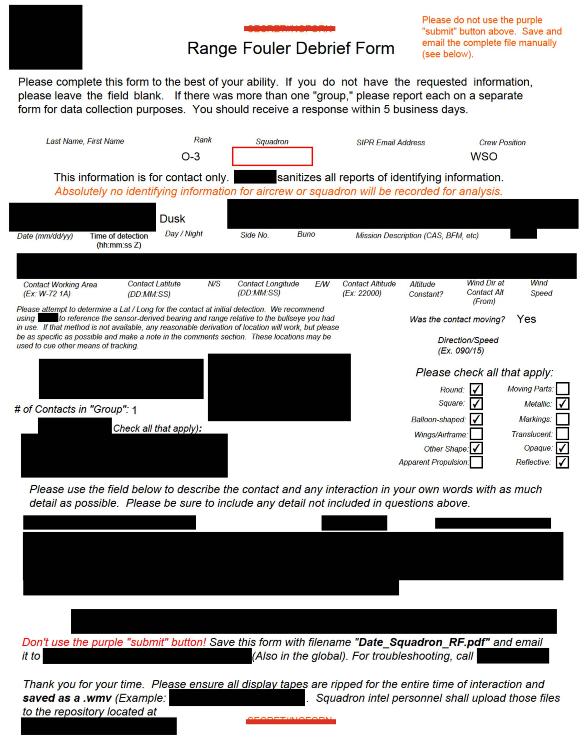
UAP RELEASE 04 | DOW-UAP-D091, Range Fouler Debrief, Atlantic Ocean, 2020
Agency: Department of War | Type: PDF | Date: 2020 | Location: Atlantic Ocean | Release: 04 (10 Jul 2026)
OFFICIAL DESCRIPTION: This document is a Range Fouler Debrief, a standardized reporting form the U.S. Navy uses to record the circumstances surrounding an unauthorized intrusion into controlled airspace during active military operations or training. These reports contain a narrative description of the observer’s experiences. This report accompanies the video titled “DOW-UAP-PR116.” A U.S. military operator reported observing an object, describing the phenomenon as “darker, maroonish color, approximately 12-15 feet in height.” The report describes the phenomenon “travel[ing] with the wind” and noted that it did not
Sub-Event # | Incident Date | Location | Reporting Agency | Submitting Command / Unit | Personnel Involved | Object / Phenomenon Description | Sensor System Used | Sensor Notes | Observed Characteristics | Reported Behaviour | Duration | Original Classification | Current Classification | Resolution Status | Official Explanation | Corroborating Data / Cross-References | Key Quotes | Notable Personnel | Document Type | Source Document ID | Document URL | Paired Documents | PDF / Media Download Status | OCR Pages | Analyst Notes
1 | 2020 (dusk; exact date redacted) | Atlantic Ocean — airspace (specific location redacted) | Department of War / US Northern Command | US Navy squadron (sanitised); O-3 WSO | O-3 WSO and crew (identity sanitised) | Darker, maroonish-coloured object approximately 12–15 ft in height. Appeared as a large, somewhat deformed balloon. Travelled with the wind; no manoeuvring or direction change. Paired with video DOW-UAP-PR116 (32 seconds, infrared sensor). | Airborne infrared sensor (primary). Visual observation (secondary). Paired video DOW-UAP-PR116 from infrared sensor. | Infrared sensor captured 32-second video. Object appeared DARKER (cooler) than background in IR — consistent with a non-powered, non-heated balloon-like object. Sensor zoomed and panned to maintain track. The IR thermal signature is the key discriminator here — a powered aircraft would appear warmer than background. | Maroonish/dark colour; ~12–15 ft height; deformed balloon-like structure; debrief form checkboxes marked: round, square, metallic, balloon-shaped, opaque. | Travelled with the wind; no manoeuvring; no direction change. Crew proceeded back to ship, landing uneventfully. | 32 seconds on sensor recording | SECRET (form header) | Declassified (redacted) | Probable balloon (AARO assessment implied by description) | Likely large deformed balloon based on behaviour (wind-drift, no propulsion, balloon-like appearance, cool IR signature). | Paired video: DOW-UAP-PR116 (Atlantic Ocean, 2020). AARO description notes 'similar to a large, somewhat deformed balloon.' | "The object itself was a darker, maroonish color, approximately 12–15 ft in height. Structurally, it appeared as a large, somewhat deformed balloon." — Range Fouler Debrief "[It] travel[ed] with the wind and noted that it did not maneuver or change direction." | O-3 WSO (identity sanitised) | PDF — Range Fouler Debrief form | DOW-UAP-D091 | https://www.war.gov/medialink/ufo/071026/release_04/documents/DOW-UAP-D091_Range-Fouler-Debrief_Atlantic-Ocean_2020.pdf | DOW-UAP-PR116 | Downloaded (1720 KB) | 2 | Of the three Range Fouler Debriefs in Release 04, this is the only one with a probable mundane explanation (balloon). The IR sensor's dark/cool reading is the key discriminating data point — consistent with a non-heated object drifting with wind. Contrast with DOW-UAP-D089/D090 where objects showed high speed and metallic reflectivity.
DOCUMENT SNAPSHOT — DOW-UAP-D091 (Page 1)

DOW-UAP-D092
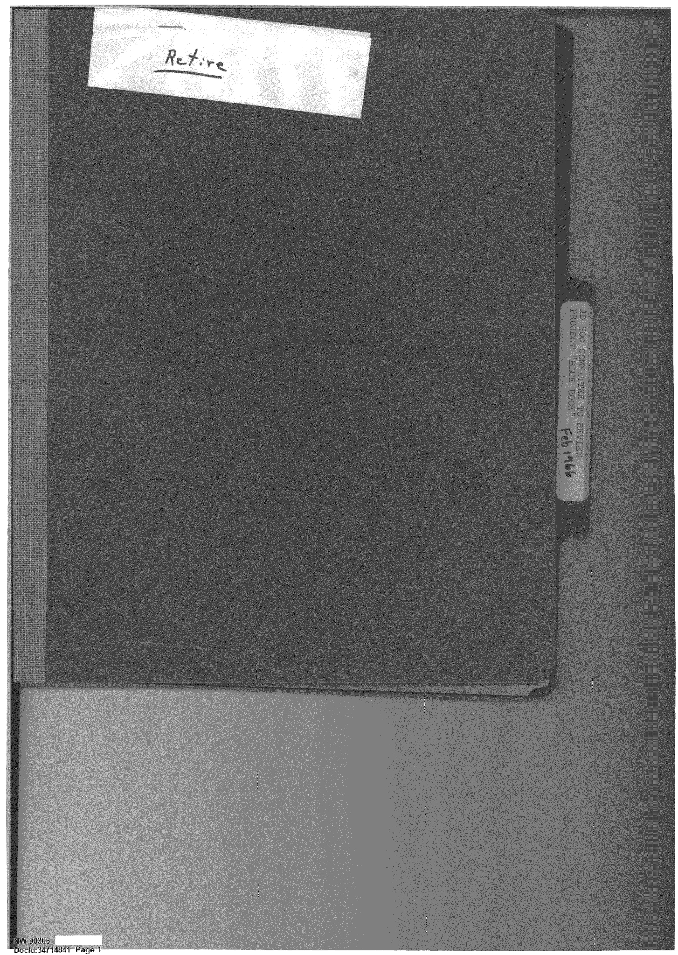
UAP RELEASE 04 | DOW-UAP-D092, Department of the Air Force Committee to Review Project Bluebook, 1966-1967
Agency: Department of War | Type: PDF | Date: 4/17/67 | Location: Various | Release: 04 (10 Jul 2026)
OFFICIAL DESCRIPTION: This file documents the 1966-1967 deliberations and recommendations of the U.S. Air Force (USAF) Scientific Advisory Board’s Ad Hoc Committee to Review Project Blue Book. Project Blue Book was a 1952-1969 USAF program to investigate the nature and origin of unidentified flying objects (UFO). The Committee recommended that the USAF contract a scientific team composed of university-affiliated representatives to investigate selected UFO sightings. The USAF subsequently adopted the Committee’s recommendation.
Sub-Event # | Incident Date | Location | Reporting Agency | Submitting Command / Unit | Personnel Involved | Object / Phenomenon Description | Sensor System Used | Sensor Notes | Observed Characteristics | Reported Behaviour | Duration | Original Classification | Current Classification | Resolution Status | Official Explanation | Corroborating Data / Cross-References | Key Quotes | Notable Personnel | Document Type | Source Document ID | Document URL | Paired Documents | PDF / Media Download Status | OCR Pages | Analyst Notes
1 | 3 Feb 1966 (first meeting at Wright-Patterson AFB) | HQ FTD, Wright-Patterson AFB, Ohio — Commanders Conference Room / Project Blue Book office | USAF Scientific Advisory Board | USAF SAB Ad Hoc Committee to Review Project Blue Book | Dr. Brian O'Brien (Chairman, SAB Ad Hoc Committee); Dr. Launor F. Carter; Dr. Jesse Orlansky (IDA); Dr. Richard Porter; Dr. Carl Sagan; Dr. Willis [surname partially redacted in OCR]; Col. Robert Burger (SAB Secretary, AFBSA); Col. Robert Hippler (Participant, AFRSTA); Mrs. Sara Hunt (Participant, SAFOI); Lt. Col. Harold A. Steiner (SAB Secretary, HQ USAF AFRSA) | Review of Project Blue Book resources, methods, and findings. Not a specific UAP incident — a committee review of the Air Force's UFO investigation programme (1952–1969). Reviewed case files at Wright-Patterson AFB. | N/A — programme review; case files reviewed at Blue Book office | Committee reviewed Project Blue Book case files at Wright-Patterson AFB. No specific sensor systems discussed in extracted text. The review process itself is relevant to understanding how sensor data was evaluated within the Blue Book framework. | N/A — administrative/review document | N/A | N/A | CONFIDENTIAL (meeting records) | Declassified (NW 90306, DocId: 34714841) | N/A — committee review | Committee advised Air Force on improvements to Project Blue Book. Led to the Condon Committee (University of Colorado study 1966–1968) and eventual closure of Blue Book in 1969. | Project Blue Book (USAF, 1952–1969); Condon Report (University of Colorado, 1968); Robertson Panel (1953) referenced in CIA-UAP-D021; DOW-UAP-D096 (Blue Book correspondence 1955) | "Purpose and Place: To review the resources, methods and findings of Air Force Project Blue Book and to advise the Air Force as to any improvements that should be made in the program to carry out the Air Force's responsibility." — Meeting record | Dr. Carl Sagan (Cornell University; later Cosmos author); Dr. Brian O'Brien (Committee Chair); Dr. Jesse Orlansky (Institute for Defense Analyses); Dr. Richard Porter; Dr. Launor F. Carter | PDF — committee meeting records (85 pages) | DOW-UAP-D092 | https://www.war.gov/medialink/ufo/071026/release_04/documents/DOW-UAP-D092_DAF-Committee-to-Review-Project-Blue-Book_1966-1967.pdf |  | Downloaded (23576 KB) | 85 | 85-page document. Notable for Carl Sagan's participation as a committee member. This committee's recommendations led directly to the Condon Committee and the eventual termination of Project Blue Book in 1969. Featured image on war.gov shows a delta-wing aircraft photograph marked CONFIDENTIAL. Second meeting held 19 Apr 1966 at Pentagon Room 5D-1014.
2 | 19 Apr 1966 (second meeting) | Pentagon, Room 5D-1014, Washington D.C. | USAF Scientific Advisory Board | USAF SAB Ad Hoc Committee | Dr. Brian O'Brien; Dr. Launor F. Carter; Dr. Jesse Orlansky; Dr. Richard Porter; Dr. Carl Sagan; Col. Robert Burger; Col. Robert Hippler (AFRSTA); Mrs. Sara Hunt (SAFOI); Lt. Col. Harold A. Steiner | Continuation of Project Blue Book review — Pentagon meeting | N/A | N/A | N/A | N/A | N/A | CONFIDENTIAL | Declassified | N/A | SAB report on Project Blue Book forwarded. Distribution: Dr. Stever (#2 of 6); Lt Col Hippler AFRSTA (#3); Mrs. Sara Hunt SAFOI (#4); circulated within office (#5). | Same as Sub-Event 1 | Distribution of memo confirmed: Original + 5 copies distributed to Stever, Hippler (AFRSTA), Hunt (SAFOI), and within office. | Same as Sub-Event 1 | PDF | DOW-UAP-D092 | https://www.war.gov/medialink/ufo/071026/release_04/documents/DOW-UAP-D092_DAF-Committee-to-Review-Project-Blue-Book_1966-1967.pdf |  | Downloaded (23576 KB) |  | Second of two documented meetings. Pentagon location indicates senior-level attention.
DOCUMENT SNAPSHOT — DOW-UAP-D092 (Page 1)

DOW-UAP-D093
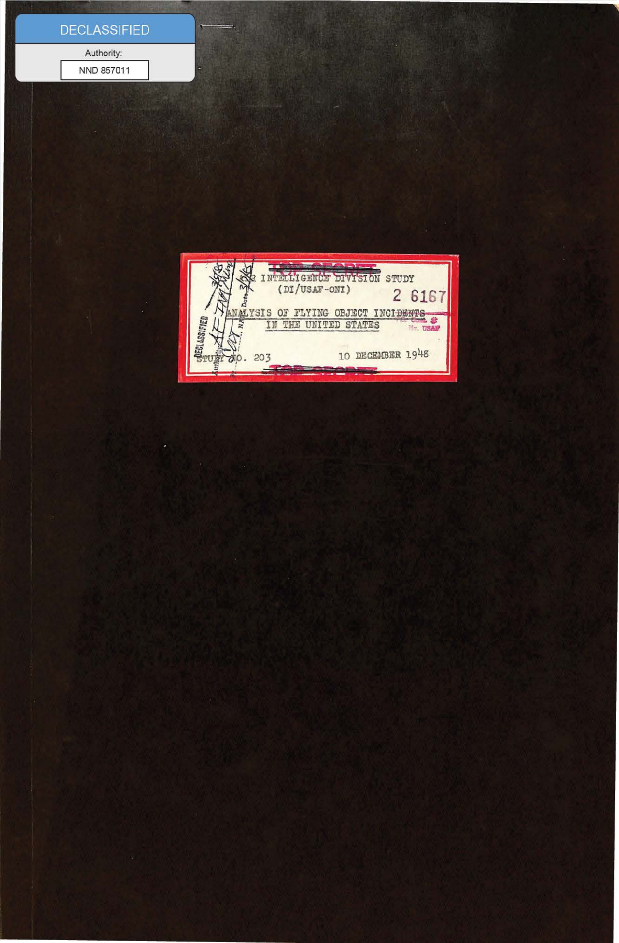
UAP RELEASE 04 | DOW-UAP-D093, Analysis of Flying Object Incidents in the United States, 1948
Agency: Department of War | Type: PDF | Date: 12/10/48 | Location: Virginia | Release: 04 (10 Jul 2026)
OFFICIAL DESCRIPTION: This file contains a U.S. Air Force (USAF) Air Intelligence Division study, “Analysis of Flying Object Incidents in the United States,” Study No. 203, dated 12/10/1948. The analysis includes an assessment of various reported unidentified flying object (UFO) incidents and theories to account for their nature and origin. Overall, the study assesses that “it appears that some object has been seen; however, the identification of that object cannot be readily accomplished.” The study offers that two “reasonable” origins might account for the phenomena: technologies of a domestic or foreign origin.
Sub-Event # | Incident Date | Location | Reporting Agency | Submitting Command / Unit | Personnel Involved | Object / Phenomenon Description | Sensor System Used | Sensor Notes | Observed Characteristics | Reported Behaviour | Duration | Original Classification | Current Classification | Resolution Status | Official Explanation | Corroborating Data / Cross-References | Key Quotes | Notable Personnel | Document Type | Source Document ID | Document URL | Paired Documents | PDF / Media Download Status | OCR Pages | Analyst Notes
1 | 1948 (report); incidents 1947–1948 | Various — continental United States | USAF / Air Intelligence Division, HQ USAF | Air Intelligence Division, HQ USAF | Multiple USAF officers; civilian observers; Weather Bureau personnel | Predecessor to DOW-UAP-D094. Analyses pattern of flying object sightings 1947–1948. Single-type object theory proposed — same object observed from different angles may explain apparent variety of shapes (disc, sphere, cylinder). | Visual observation; weather balloon tracking (theodolite) | Single-type object theory supported by analysis of observation angles. No radar or electronic sensor data cited. Weather balloon tracking provides calibrated reference for angular size/speed. | Disc/sphere/cylinder depending on viewing angle. High speed; silent; no exhaust. Pattern of sightings geographically definable. | Erratic manoeuvres; high-speed straight flight; hovering. Three simultaneous observations of same object considered possible. | Seconds to minutes per incident | SECRET | Declassified | Unresolved | Possible Soviet origin; possible US experimental; weather balloons, rockets, experimental aircraft, or celestial phenomena not ruled out. Pending further intelligence activity. | DOW-UAP-D094 (1949 update of this report); Project SIGN (DOW-UAP-D097) | "The angles at which the objects may have been viewed introduces a possibility that a single type object may have been observed rather than three different [objects]." | Air Intelligence Division, HQ USAF (authors unnamed) | PDF — intelligence study (67 pages) | DOW-UAP-D093 | https://www.war.gov/medialink/ufo/071026/release_04/documents/DOW-UAP-D093_Analysis-of-Flying-Object-Incidents-in-the-US_1948.pdf | DOW-UAP-D094 | Downloaded (13256 KB) | 67 | 67-page document. Predecessor to the 1949 version (DOW-UAP-D094). Introduces the 'single object viewed from multiple angles' hypothesis — an important analytical framework that persists in modern UAP analysis. The geographic pattern analysis is methodologically significant.
DOCUMENT SNAPSHOT — DOW-UAP-D093 (Page 1)

DOW-UAP-D095

UAP RELEASE 04 | DOW-UAP-D095, Joint U.S.-Canadian Aviation Projects and UFO Sighting Reports, 1954-1955
Agency: Department of War | Type: PDF | Date: 1955 | Location: Various | Release: 04 (10 Jul 2026)
OFFICIAL DESCRIPTION: This file contains reports, memoranda, and correspondence concerning various then-developmental vertical take-off and landing (VTOL) aircraft. The file includes assessments of the experimental potential of the “Avro Project Y2,” a joint U.S.-Canadian near-circular VTOL aircraft that is similar in appearance to contemporary popular descriptions of unidentified flying objects (UFO). A 1954 memorandum opines that VTOL aircraft with a circular planform may be mistaken for UFOs to observers unfamiliar with such technologies. It also recommends that UFO reports in the vicinity of Soviet military ope
Sub-Event # | Incident Date | Location | Reporting Agency | Submitting Command / Unit | Personnel Involved | Object / Phenomenon Description | Sensor System Used | Sensor Notes | Observed Characteristics | Reported Behaviour | Duration | Original Classification | Current Classification | Resolution Status | Official Explanation | Corroborating Data / Cross-References | Key Quotes | Notable Personnel | Document Type | Source Document ID | Document URL | Paired Documents | PDF / Media Download Status | OCR Pages | Analyst Notes
1 | 10 Dec 1954 (SAB report date); Sep 28 1954 (briefing at Omaha SAB meeting) | A.V. Roe Canada Ltd., Malton, Ontario; Omaha, NE (SAB Fall meeting); Washington D.C. | USAF Scientific Advisory Board | SAB Aircraft and Propulsion Panels | Gen. James H. Doolittle (Acting Chairman, SAB — WWII hero, Medal of Honor); Lt. Gen. Donald L. Putt (Deputy Chief of Staff, Development, HQ USAF); Dean Soderberg (Chairman, Propulsion Panel); Prof. Markham (Aircraft Panel); Mr. Donovan (Aircraft/Propulsion liaison); Clark Millikan (Caltech aeronautics); Representatives of HQ ARDC | Avro Canada 'Project Y2' — a saucer-shaped aircraft development programme. This is a review of a real US-Canadian joint aerospace project, not a UAP sighting. The document contextualises the 'flying saucer' concept as a real engineering programme being seriously pursued by USAF and Canada. | N/A — engineering review document | No sensor systems discussed. Document is critical context for why 'saucer-shaped' aircraft were being seriously considered by USAF in the 1950s, and why intelligence agencies were tracking saucer-shaped aircraft reports. CIA-UAP-D021 Section 4 explicitly cross-references Project Y. | N/A — engineering/design review | N/A | N/A | SECRET | Declassified (NND 974373) | N/A — Project Y2 received 'limited support' recommendation. Avro Canada VZ-9 Avrocar eventually built (1959) but failed to meet performance specs; programme cancelled 1961. | SAB concluded Project Y2 'warranted no more than limited support' after reviewing Avro Canada briefings and visiting Malton facility. | CIA-UAP-D021 (Section 4 discusses Project Y); Avro Canada VZ-9 Avrocar (public record — built 1959, cancelled 1961); DOW-UAP-D097 (Project SIGN — flying wing analysis); DOW-UAP-D094 (Appendix D — flying wing aircraft) | "The tentative conclusions of both panels immediately after this briefing were to the effect that this project warranted no more than limited support." — Gen. Doolittle letter to Lt. Gen. Putt, 10 Dec 1954 "In response to your request for SAB comments on the Avco 'Saucer' project..." | Gen. James H. Doolittle (Medal of Honor; WWII Doolittle Raid; SAB Acting Chair); Lt. Gen. Donald L. Putt (USAF Deputy Chief of Staff, Development); Dean Soderberg; Clark Millikan (Caltech) | PDF — SAB report (57 pages; mostly scanned images with limited OCR yield) | DOW-UAP-D095 | https://www.war.gov/medialink/ufo/071026/release_04/documents/DOW-UAP-D095_US-Canadian-Aviation-Projects_1954-1955.pdf | CIA-UAP-D021 | Downloaded (31465 KB) | 57 | 57-page document; most pages are scanned images with limited OCR yield. Doolittle's involvement is highly significant. This document directly links the 'flying saucer' phenomenon to a real US-Canadian engineering programme, providing critical context for why intelligence agencies were tracking saucer-shaped aircraft reports in the 1950s. CIA-UAP-D021 Section 4 explicitly cross-references Project Y. The Avro Canada VZ-9 Avrocar was eventually built but never achieved the performance specifications — it hovered only a few feet off the ground.
DOCUMENT SNAPSHOT — DOW-UAP-D095 (Page 1)

DOW-UAP-D096

UAP RELEASE 04 | DOW-UAP-D096, Correspondence Relating to Project Blue Book, 1955
Agency: Department of War | Type: PDF | Date: 1955 | Location: Various | Release: 04 (10 Jul 2026)
OFFICIAL DESCRIPTION: This file contains correspondence relating to Project Blue Book, a 1952-1969 U.S. Air Force program to investigate the nature and origin of unidentified flying objects (UFO). The correspondence includes letters and memoranda sent between various departments and agencies of the U.S. Government, the Legislative Branch, and private citizens concerning UFO sightings and the research and findings of Project Blue Book.
Sub-Event # | Incident Date | Location | Reporting Agency | Submitting Command / Unit | Personnel Involved | Object / Phenomenon Description | Sensor System Used | Sensor Notes | Observed Characteristics | Reported Behaviour | Duration | Original Classification | Current Classification | Resolution Status | Official Explanation | Corroborating Data / Cross-References | Key Quotes | Notable Personnel | Document Type | Source Document ID | Document URL | Paired Documents | PDF / Media Download Status | OCR Pages | Analyst Notes
1 | Jan 4, 1955 (student letter) | Richmond Hill High School, Queens, New York | USAF / Air Technical Intelligence Center (ATIC) | Project Blue Book / ATIC, Wright-Patterson AFB | Kenneth Hansen (11th-grade student, Richmond Hill High School, Queens NY; 129-02 9th Ave., Richmond Hill 19, L.I., N.Y.); CWO Schum, USAF (ATIC, Asst., responding officer) | Student letter requesting UFO information for a school speech. Student claims two classmates had seen a UFO. References George Adamski photographs taken at Palomar Observatory. | N/A — correspondence | N/A | N/A | N/A | N/A | UNCLASSIFIED | Declassified | N/A — public correspondence | N/A | George Adamski (controversial UFO claimant, Palomar Observatory); Project Blue Book public affairs function | "My name is Kenneth Hansen. I am a student at Richmond Hill High School... I decided that myself and two other boys would try to convince the class that Flying Saucers are real and that they are interplanetary... We showed them pictures of U.F.O.s that George Adamski took at Palomar Observatory." — Letter to Project Blue Book, Jan 4, 1955 | Kenneth Hansen (student); CWO Schum (ATIC) | PDF — correspondence collection (220 pages) | DOW-UAP-D096 | https://www.war.gov/medialink/ufo/071026/release_04/documents/DOW-UAP-D096_Correspondence-Relating-to-Project-Blue-Book_1955.pdf | DOW-UAP-D092 | Downloaded (123155 KB) | 220 | 220-page document — largest in Release 04. Mostly scanned images. Provides social/cultural context for public interest in UFOs in 1955. The student's speech received a grade of 99 — notable detail.
2 | 2 Dec 1954 (Gullett letter); 5 Jun [1955] (ATIC response) | Honolulu, Hawaii (Gullett); Wright-Patterson AFB (ATIC) | USAF / ATIC | ATIC, Wright-Patterson AFB | James D. Gullett (civilian, Honolulu 14, Hawaii); Col. Bloomer (USAF, recipient of Keyhoe book letter); CWO Schum (ATIC, responding officer); Maj. Donald Keyhoe (referenced — USMC officer and UFO author) | Civilian inquiry about Maj. Keyhoe's UFO book. ATIC response forwarded to Director of Intelligence. Keyhoe was a prominent UFO researcher who clashed with USAF. | N/A — correspondence | N/A | N/A | N/A | N/A | CONFIDENTIAL (ATIC level) | Declassified | N/A | N/A | Maj. Donald Keyhoe's UFO books (1950s); NICAP (National Investigations Committee on Aerial Phenomena) — Keyhoe became director in 1957 | "Enclosed for your information is copy of reply to Mr. James D. Gullett, Honolulu 14, Hawaii, concerning action taken in regard to his letter of 2 December 1954 and file concerning Major Keyhoe's book." — CWO Schum, ATIC | Maj. Donald Keyhoe (USMC officer; prominent UFO author; later NICAP director 1957–1969); CWO Schum (ATIC); Col. Bloomer (USAF) | PDF | DOW-UAP-D096 | https://www.war.gov/medialink/ufo/071026/release_04/documents/DOW-UAP-D096_Correspondence-Relating-to-Project-Blue-Book_1955.pdf | DOW-UAP-D092 | Downloaded (123155 KB) |  | Keyhoe reference is notable — he was a prominent UFO researcher and former USMC officer who repeatedly clashed with USAF over Project Blue Book. He became NICAP director in 1957 and was a major public voice on UFOs.
3 | 5 Jun 1955 (cover sheet date) | Alabama (meteorite case) | USAF / ATIC | ATIC, Wright-Patterson AFB | Senator Sparkman (referenced on cover sheet); ATIC staff | Alabama Meteorite case — cover sheet referencing meteorite inquiry from Senator Sparkman | N/A | N/A | Meteorite (natural phenomenon) | N/A | N/A | UNCLASSIFIED | Declassified | Resolved — meteorite | Natural meteorite | GRO 1719H (reference number on cover sheet) | Cover sheet: 'Alabama Meteorite' — Senator Sparkman inquiry | Senator Sparkman (Alabama) | PDF | DOW-UAP-D096 | https://www.war.gov/medialink/ufo/071026/release_04/documents/DOW-UAP-D096_Correspondence-Relating-to-Project-Blue-Book_1955.pdf |  | Downloaded (123155 KB) |  | One of the few resolved cases in Release 04 — natural meteorite explanation.
DOCUMENT SNAPSHOT — DOW-UAP-D096 (Page 1)

FBI-UAP-D014
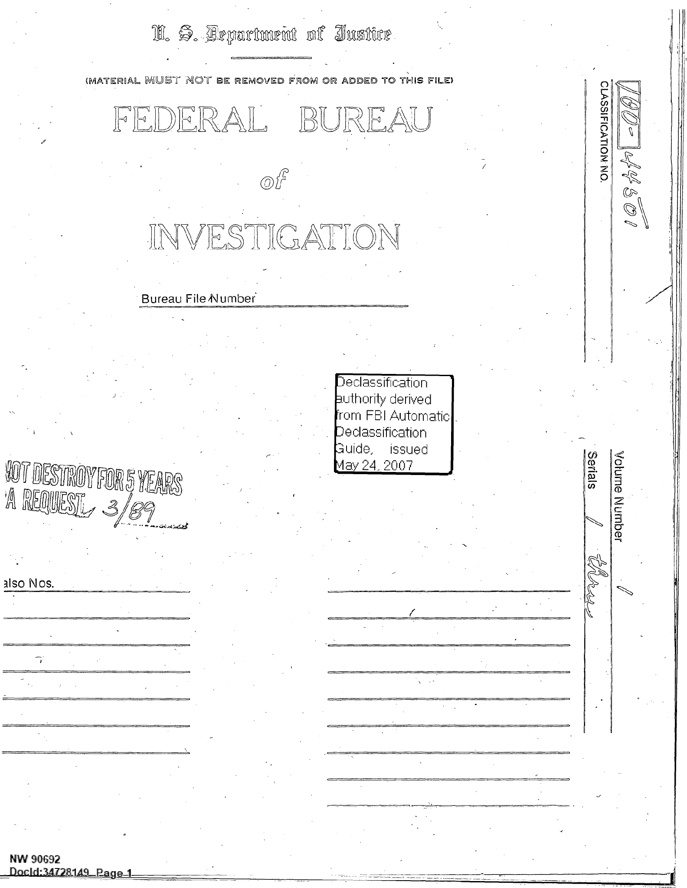
UAP RELEASE 04 | FBI-UAP-D014, Correspondence Relating to UFO Sightings, 1967, 1974
Agency: FBI | Type: PDF | Date: 10/10/74 | Location: Various | Release: 04 (10 Jul 2026)
OFFICIAL DESCRIPTION: This file contains two pieces of correspondence. The first, dated 9/22/1967, relays a description of an incident provided by an eleven-year-old child in which they heard a “weird” noise and saw a “flash of light.” The second, dated 9/30/1974 and 10/10/1974, is an exchange of letters between the Federal Bureau of Investigation (FBI) and Mr. Larry Bryant regarding an “alleged April 8, 1954 sighting of an occupied unidentified flying object (UFO).” The FBI’s response to Mr. Bryant’s inquiry indicated that it maintained no record of such an event, and that, circa 1974, the Bureau does not collect
Sub-Event # | Incident Date | Location | Reporting Agency | Submitting Command / Unit | Personnel Involved | Object / Phenomenon Description | Sensor System Used | Sensor Notes | Observed Characteristics | Reported Behaviour | Duration | Original Classification | Current Classification | Resolution Status | Official Explanation | Corroborating Data / Cross-References | Key Quotes | Notable Personnel | Document Type | Source Document ID | Document URL | Paired Documents | PDF / Media Download Status | OCR Pages | Analyst Notes
1 | 16 Sep 1967 (incident); 22 Sep 1967 (FBI report) | 7825 South Colfax, Chicago, Illinois | FBI — Chicago Field Office | FBI Chicago Field Office | Tom Mitchell (11-year-old witness, 7825 S. Colfax, Chicago); SA C. Leonard Treviranus (FBI, reporting agent); Sgt. Eugene Ripka (Army-Air Force 755th Radar Squadron, Arlington Heights, IL, tel. 763-8638) | Child witness heard 'weird' noise and saw 'flash of light going north in the sky' at approximately 8:30 PM. Claimed it was a UFO. | 755th Radar Squadron, Arlington Heights, IL — information forwarded to radar unit for follow-up. No radar detection confirmed in document. | Information forwarded to Army-Air Force 755th Radar Squadron at Arlington Heights. Radar Squadron's response not included in released document. This is one of the few Release 04 records where information was forwarded to a radar unit for cross-reference. The 755th Radar Squadron operated as part of NORAD air defence. | 'Flash of light going north in the sky'; preceded by 'weird' noise | Single flash of light travelling northward | Brief (seconds) | UNCLASSIFIED | Declassified | Unresolved (no follow-up in released document) | Not determined | 755th Radar Squadron (Army-Air Force, Arlington Heights IL); NORAD air defence network; FBI Automatic Declassification Guide (2007) | "He is eleven years of age. At approximately 8:30 PM he heard a 'weird' noise and looked out the window of his residence and saw a 'flash of light going north in the sky.'" — SA Treviranus memo, 22 Sep 1967 | SA C. Leonard Treviranus (FBI Chicago); Sgt. Eugene Ripka (755th Radar Squadron, Arlington Heights IL) | PDF — FBI correspondence (5 pages) | FBI-UAP-D014 | https://www.war.gov/medialink/ufo/071026/release_04/documents/FBI-UAP-D014_Correspondence-Relating-to-UFO-Sightings_1967-1974.pdf |  | Downloaded (331 KB) | 5 | The 755th Radar Squadron referral is notable as a sensor cross-reference. The 755th was part of the NORAD air defence network. The radar squadron's response (if any) is not in the released document. This is a two-part document: 1967 child witness report + 1974 Bryant correspondence.
2 | 8 Apr 1954 (alleged incident); 30 Sep 1974 (Bryant letter); 10 Oct 1974 (FBI response) | Chicago area (alleged incident); Arlington, Virginia (Bryant's address) | FBI — Chicago Field Office | FBI Chicago Field Office (SAC Richard G. Held) | Larry W. Bryant (UFO researcher/activist, 2904 S. 13th Road Apt 2, Arlington VA 22204); Richard G. Held (SAC, FBI Chicago); Mrs. Lelah H. Stoker (alleged principal observer, Apr 1954 incident); U.S. Coast Guard personnel (alleged witnesses, Apr 1954 incident) | Alleged Apr 8, 1954 sighting of an 'occupied' UFO pursued by U.S. Coast Guard personnel; landed briefly; occupant exited, strolled about, returned; seen by at least three civilian observers before departure. Bryant obtained a copy from Department of the Air Force. | None documented | No sensor data. Visual observation only. | Landed object; occupant observed exiting and re-entering | Landing; occupant egress and re-entry; departure | Brief landing | UNCLASSIFIED | Declassified | FBI: No record of event. FBI does not collect UFO sighting information. No follow-up action taken. | FBI SAC Held: 'The Federal Bureau of Investigation (FBI) has no information regarding the UFO sighting you describe in your letter, and, in fact, the FBI does not collect information regarding UFO sightings in general.' | US Army report of Apr 8, 1954 incident (referenced by Bryant); Department of the Air Force (Bryant obtained copy from them); FBI files 100-44501 / 100-36363 | "The FBI has no information regarding the UFO sighting you describe in your letter, and, in fact, the FBI does not collect information regarding UFO sightings in general." — SAC Richard G. Held, FBI Chicago, 10 Oct 1974 "[The UFO] landed briefly on the ground (discharging the occupant, who strolled about and returned to the object)." — Bryant letter, 30 Sep 1974 | Larry W. Bryant (UFO researcher/activist); SAC Richard G. Held (FBI Chicago); Mrs. Lelah H. Stoker (alleged 1954 witness) | PDF | FBI-UAP-D014 | https://www.war.gov/medialink/ufo/071026/release_04/documents/FBI-UAP-D014_Correspondence-Relating-to-UFO-Sightings_1967-1974.pdf |  | Downloaded (331 KB) |  | Bryant's 1974 letter describes a remarkably detailed close-encounter claim involving Coast Guard witnesses and a landed craft with occupant. FBI's response confirms it held no records and did not investigate UFOs. FBI files 100-44501 and 100-36363 referenced. Bryant later became a prominent UFO researcher and FOIA activist.
DOCUMENT SNAPSHOT — FBI-UAP-D014 (Page 1)

